Sheet2
SENTIMENT AND POLARITY ANALYSIS

 |  | Count | max pol | mean | min pol
 | HC | 126 | 0.39 | 0.19 | 0.02
 | DP | 37 | 0.29 | 0.17 | 0.04
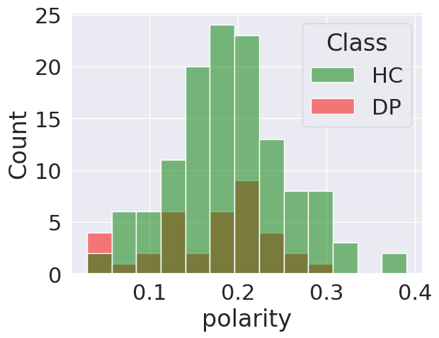

 | general mean value: 0.18
 | samples having polarity more than mean and are HC : 58%

